Summary
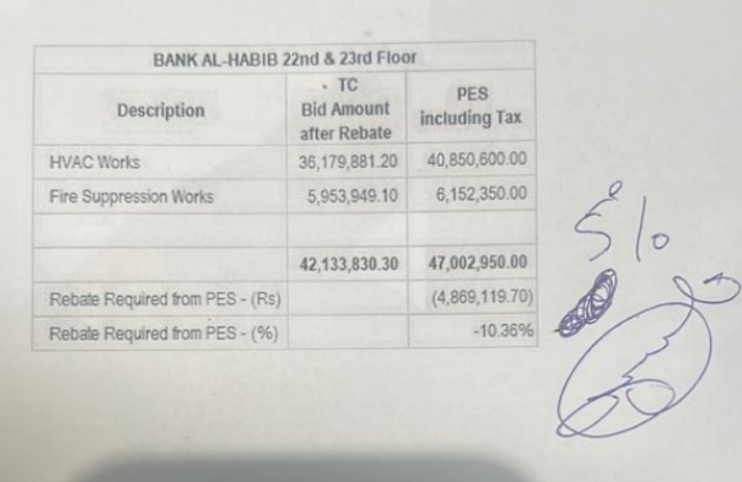

 |  |  |  | Bank Al-Habib Limited

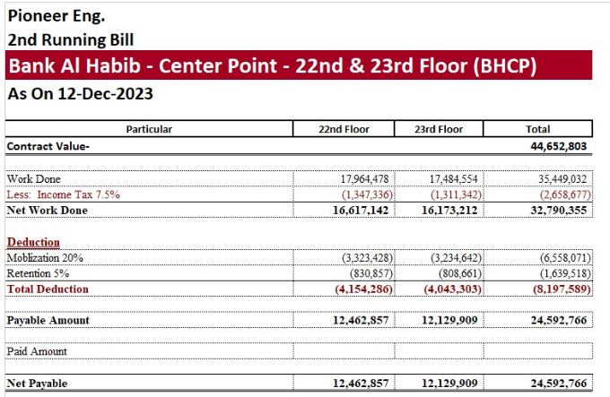

HVAC & Fire Fighting Work |  |  |  | 6-Oct-23
22nd & 23rd Floor Centerpoint Karachi

SUMMARY OF RUNNING BILL NO 1

S.No | Description | Material | Labour | Amount
1 | HVAC 22nd Floor | 11,875,546 | 908,119 | 12,783,666
2 | HVAC 23rd Floor | 11,122,434 | 756,947 | 11,879,381
 | Total Amount HVAC |  |  | 24,663,046

3 | Fire Fighting 22nd Floor | 2,119,441 | 371,237 | 2,490,679
4 | Fire Fighting 23rd Floor | 1,889,526 | 237,614 | 2,127,140
 | Total Amount Fire Fighting |  |  | 4,617,819

 | Grand Total Amount | 27,006,948 | 2,273,917 | 29,280,865

 |  |  |  |  | BAH Center point 22 & 23 floor
 |  |  |  |  | Verified (2nd Bill) | 24,592,766
 |  |  |  |  | Received from Total | 19,420,080
 |  |  |  |  | Remaining | 5,172,686
 |  |  |  |  |  | 1,075,700
 |  |  |  |  |  | 4,096,986

